Sheet1
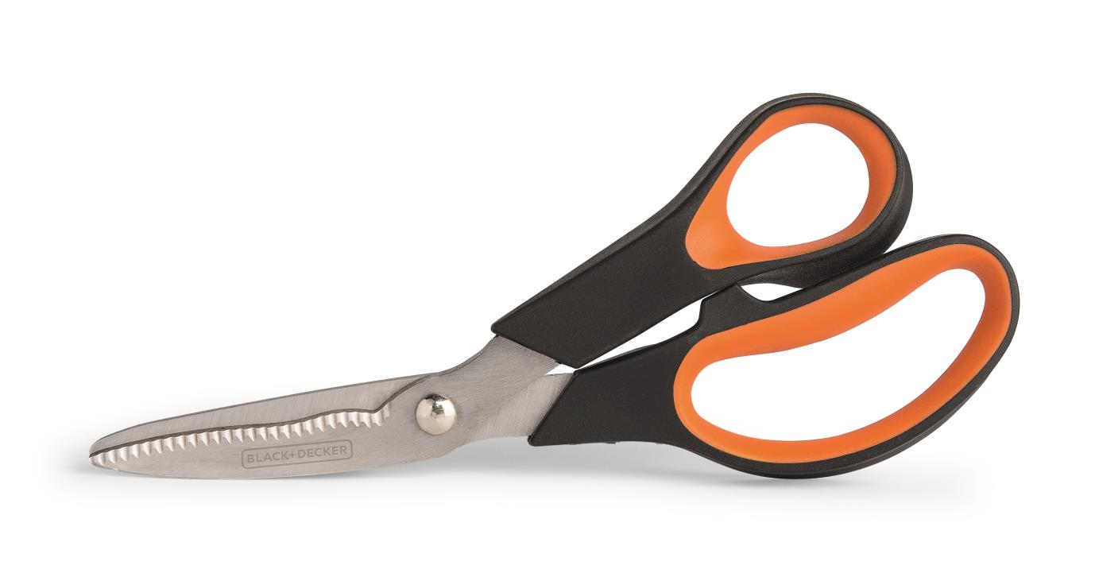
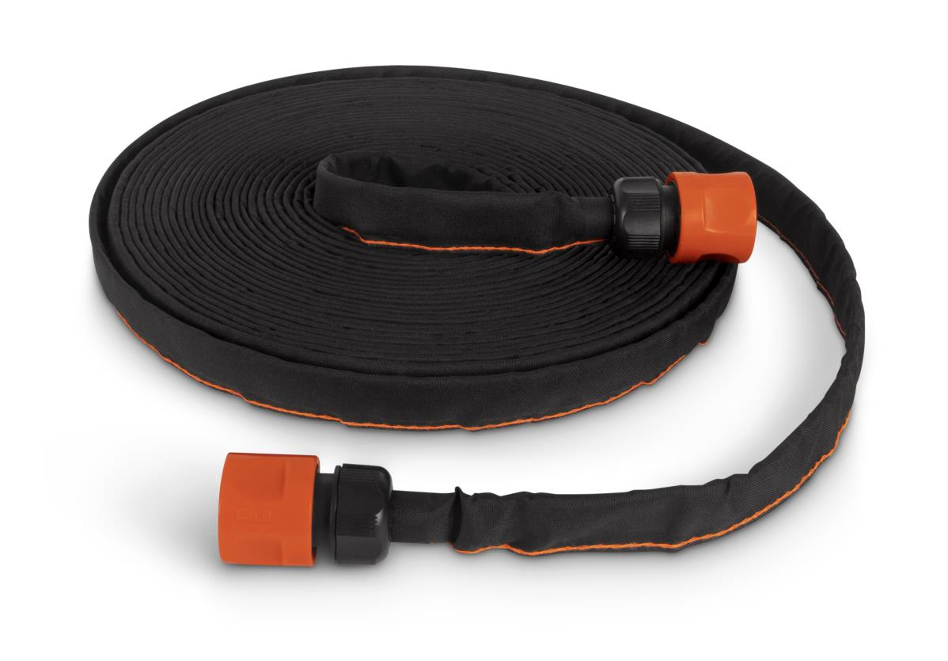
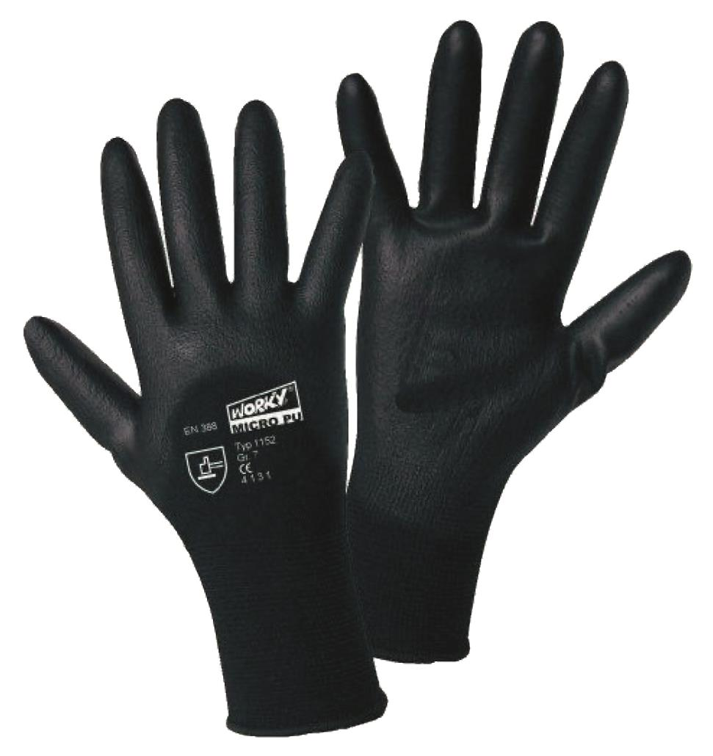
Picture | Item code | Description | Extra information | Restriction | Stock | Sales price EXW | Retail price | Barcode | Quantity PU | Quantity pallet | Pallet | Origin | Customs code | Item weight | Languages on package | Group
 | 20950 | Black + Decker, Multifunctional Secateurs 20cm | 32410-VB |  | 2910 | 3.79 | 17.95 | 842297103831 | 6 | 540 | Europallet 120x80 | CN | 8201500000 | 250 | nl fr | Black + Decker
 | 20959 | Black + Decker, Textile Garden Hose 15m | BXGT2561E |  | 2068 | 12.9 | 39.95 | 842297110266 | 6 | 324 | Europallet 120x80 | RC | 4009410000 | 950 | de gb fr nl es it | Black + Decker
 | 20957 | Black + Decker, Gardening Gloves | BD549LEU |  | 515 | 2.9 | 14.95 | 674326345734 | 36 | 2880 | Europallet 120x80 | CN | 6216009000 | 20 | nl fr | Black + Decker

